Sheet1
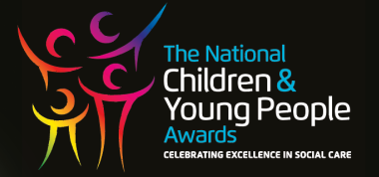
The Children and Young People Awards 2026
England,
22nd October 2026
ICC Birmingham
Gala Night Booking Form

Lead Name

Organisation Name

Organisation Address

Telephone

E-mail

Please indicate package required: | Please indicate no of tables / places:

Table of 10 £1, 900.00 plus vat

Individual Place £200.00 plus vat

Purchase Order Number

All bookings and payments must be made by the 9th October

All payments must be made by direct bank transfer upon receipt of invoice

An invoice will be sent when booking the form is received

All bookings are non refundable.

All payments due upon receipt of invoice

Please complete this form and return to catherine@care-awards.co.uk

E-mail: catherine@care-awards.co.uk www.cypawards.co.uk
Care Events UK Limited, registered in England and Wales, registration number 17002314

